1. Title Page
[Project Name]

Project Name: Instacart Data Analysis
Date: 2025-02-08
Analyst Name: Shaival Mehta

Contents:
Population Flow
Consistency checks
Wrangling steps
Column derivations
Visualizations
Recommendations

Data Source
“The Instacart Online Grocery Shopping Dataset 2017”, Accessed from www.instacart.com/datasets/grocery-shopping-2017 via Kaggle on 2024/12/30.
The customer data you explored, as well as the “prices” column in the products data set, were both fabricated for the purpose of this course

2. Population Flow
Title page

Population flow

Exclusion flag
Condition: max_order < 5
Obervations to be removed: 1,444,295
Final total count of order_products_all: 30,964,564

Orders_products_combined
Orders_products_merged
Orders_products_all

Total: 32,404,858
Total: 32,434,488
Total: 32,404,858

1.) The grey boxes in the first row of the population flow represent the original data sets as they were when you downloaded them. In the Total fields you need to add the count of the rows when you imported the data set into Jupyter.
2.) The second row of boxes (coloured) represents the data sets after you manipulated them, e.g., removed missing values and duplicates. In the Total fields you need to add the count of the rows after conducting these operations. This offers a visual oveview of how the data flows throughout the data consistency checks.
3.) The third row, where also the arrows are coloured, represents the merges you performed between the datasets. In the Total fields you need to add the count of the rows in the merged datasets, so that you end up with the final dataset (in the red box). Keep in mind the final dataset should be without exclusions (based on the exclusion flag).

3. Consistency checks
 |  |  |  | Title page
Consistency checks

Dataset | Missing values | Missing values treatment | Duplicates
orders | 206,209 in the 'days_since_prior_order' column | Flagged as first_order | No duplicates
products | 16 missing 'product_name' | Deleted rows missing data | 5 duplicates, deleted
orders_products_prior | None | None | No duplicates
customers | None | None | No duplicates

4. Wrangling steps
 |  |  |  | Title page
Wrangling steps

Columns dropped | Columns renamed | Columns' type changed | Comment/Reason
 |  | order_id | data type change, integer to string
 |  | user_id | data type change, integer to string
 | order_dow to orders_day_of_week |  | clarity
 | First Name to first_name |  | maintain naming convention
 | Surnam to last_name |  | maintain naming convention
 | Gender to gender |  | maintain naming convention
 | STATE to state |  | maintain naming convention
 | Age to age |  | maintain naming convention
 |  | first_name | data type change, mixed to string
Unnamed xx |  |  | not needed
_merged |  |  | not needed

5. Column derivations
 |  |  |  | Title page

Column derivations and aggregations

In this tab you should add tables below that the frequences of flags/label variables that you produced after deriving them. NB: don't do this for continuous variables, only for flags.
Dataset | New column | Column/s it was derived from | Conditions
orders | first_order | days_since_prior_order' | NaN
ords_prods_merge | price_range | prices | if prices <= 5 then 'low-range product' if prices >5 & <= 15 then 'mid-range product' if prices > 15 then 'high-range product' else 'not enough data'
ords_prods_merge | busiest_day | orders_day_of_week | if value == 0 then 'busiest day' if value == 4 then 'least busy' else 'regularly busy'
ords_prods_merge | busiest_days | orders_day_of_week | if value == 0 or 1 then 'busiest days' if value == 3 or 4 then 'slowest days' else 'regularly busy'
ords_prods_merge | busiest_period_of_day | hour_of_day | if value == 10 or 11 then 'most orders' if value == 3 or 4 then 'fewest orders' else 'average orders'
ords_prods_merge | loyalty_flag | max_order | if value > 40 then 'loyal customer' if value <= 40 & > 10 then 'regular customer' if value < 10 then 'new customer'
ords_prods_merge | mean_spend | prices | average price per customer
ords_prods_merge | spender_flag | mean_spend | if value > 10 then 'low spender' if value >= 10 then 'high customer'
ords_prods_merge | customer_frequency | days_since_prior_order | if value < 20 then 'non_frequent_customer' if value <= 20 & > 10 then 'regular customer' if value > 10 then 'frequent customer'
orders_products_customers | region | state | State defined into regions according to this List of regions of the United States
orders_products_customers | activity_flag | max_order | if value < 5 then 'low-activity customer' if value >= 5 then 'high-activity customer'
low_activity_excluded | income_group | income | if value > 150000 then 'high income' if value >= 55000 & < 150000 then 'middle income' if value < 55000 then 'low income'
low_activity_excluded | age_group | age | if value > 64 then 'senior' if value > 44 & <= 64 then 'middle-aged' if value > 25 & <= 44 then 'adult' if value <= 25 then 'young adult'
low_activity_excluded | dependants_flag | n_dependants | if value == 0 then 'no dependants' if value >= 1 then 'has dependants'

first_order |  | price_range
False 30328763 |  | Mid-range product 673183
True 2076096 |  | Low-range product 314392
Name: count, dtype: int64 |  | High range 12425
 |  | Name: count, dtype: int64

busiest_day |  | busiest_days
Regularly busy 22416875 |  | Regularly busy 12916111
Busiest day 6204182 |  | Busiest days 11864412
Least busy 3783802 |  | Slowest days 7624336
Name: count, dtype: int64 |  | Name: count, dtype: int64

busiest_period_of_day |  | loyalty_flag
Average orders 26802436 |  | Regular customer 15876776
Most Orders 5497900 |  | Loyal customer 10284093
Fewest orders 104523 |  | New customer 6243990
Name: count, dtype: int64 |  | Name: count, dtype: int64

spending_flag |  | customer_frequency
Low spender 31770614 |  | Frequent customer 21559853
High spender 634245 |  | Regular customer 7208564
Name: count, dtype: int64 |  | Non-frequent customer 3636437
 |  | Name: count, dtype: int64

activity_flag |  | income_group
high-activity customer 30964564 |  | middle-income 22617642
low-activity customer 1440295 |  | low-income 4452388
Name: count, dtype: int64 |  | high-income 3894534
 |  | Name: count, dtype: int64

age_group |  | dependants_flag
middle-aged 9690051 |  | has dependants 23224883
adult 9214451 |  | no dependants 7739681
senior 8195544 |  | Name: count, dtype: int64
young adult 3864518
Name: count, dtype: int64

6. Visualisations
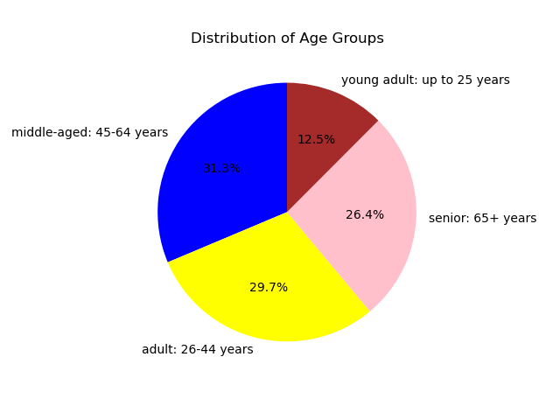
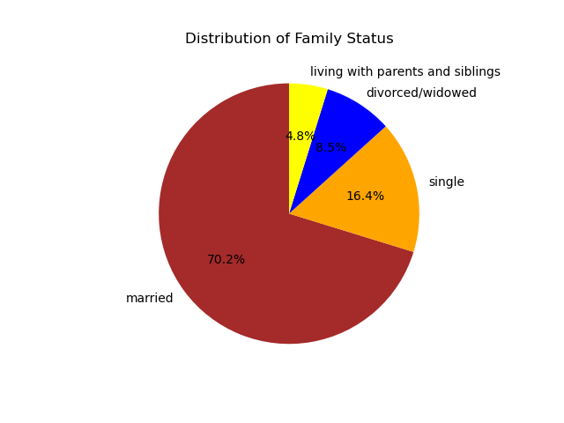
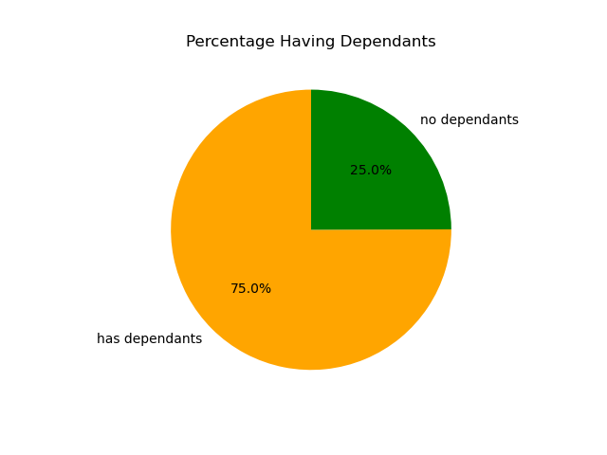
Visualisations

 | Question
 | What are the busiest days of the week and hours of the day?

 | Saturday and Sunday are the busiest day of the week. Tuesday and Wednesday are the least bust days of the week.
 | Most orders are between 9am and 4pm with a peak at 10am to 11am
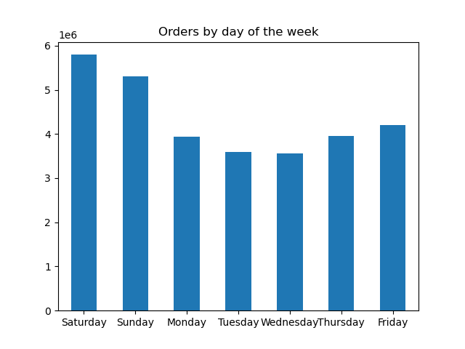


 | Question
 | Are there particular times of day when people spend the most money?


 | Sales are higher in the morning, but it should be noted that this is a small variation.
 | Additionally, sales are higher on the weekends

 | Question
 | Are there certain products that are more popular than others?

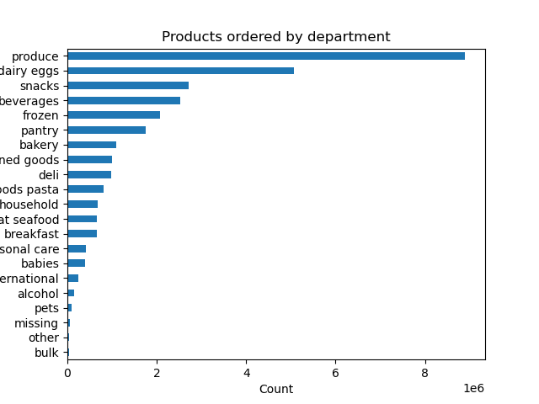

 | Produce, Dairy/eggs, snacks, and beverages are the biggest sellers by department
 | This is both in an age group and a regional breakdown as well.

 | Question
 | What is the distribution among users as to how often they return to Instacart?
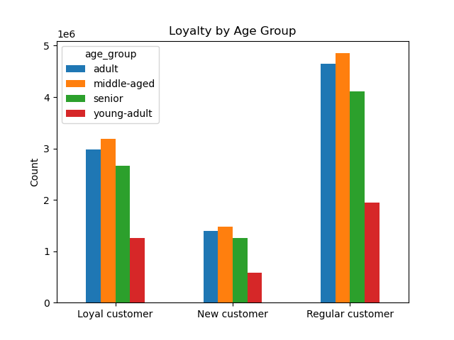
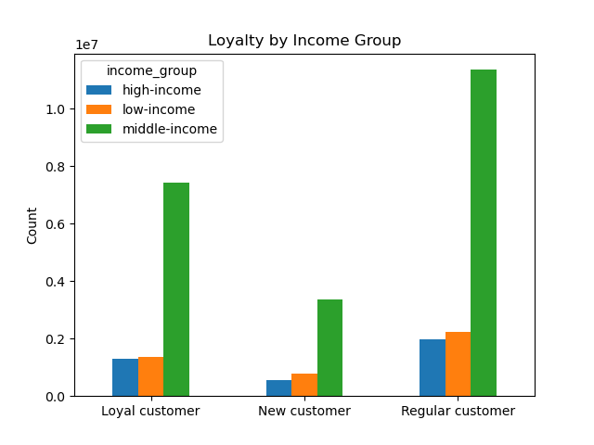

 | Most customers are middle aged.

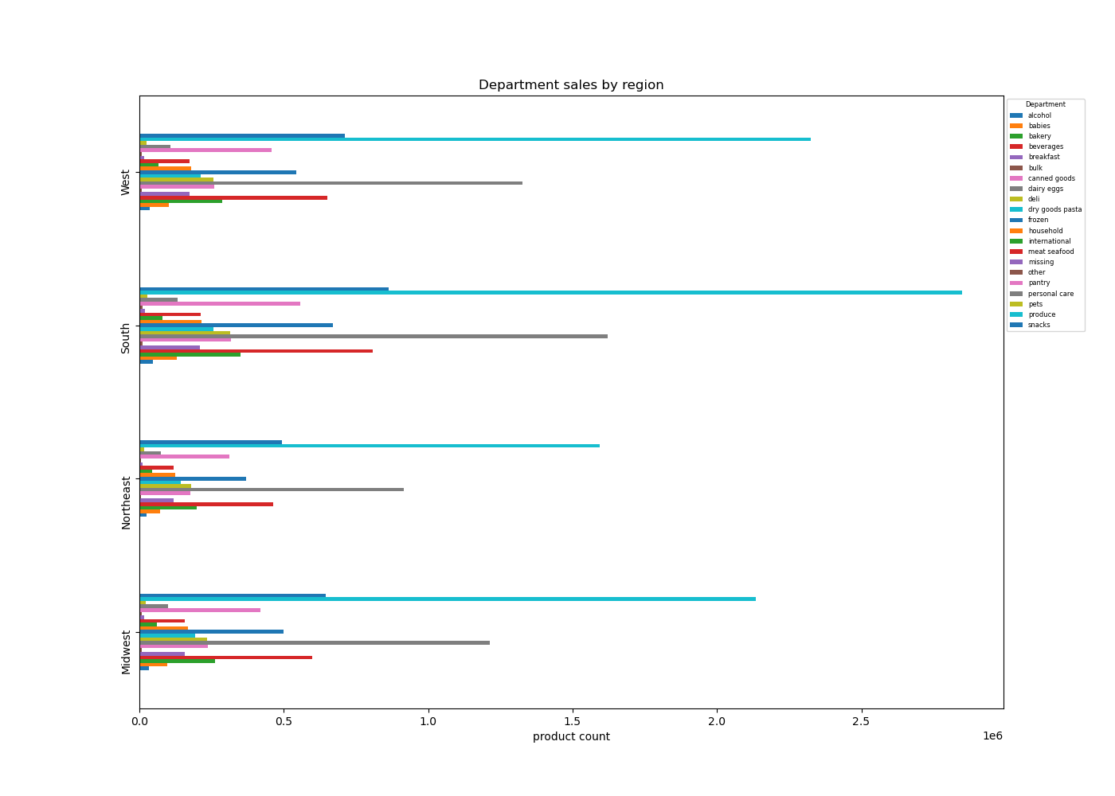
 | Question
 | Are there differences in ordering habits based on region?

 | In South and west have highest sale.

 | Question
 | Is there a connection between age and family status and ordering habits?
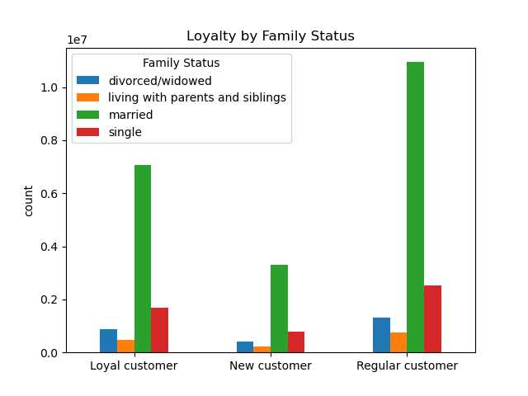

 | Most customers are middle age and married .

 | Question
 | What different classifications does the demographic information suggest? Age? Income? Certain types of goods? Family status??

 | South region has highest no of sales in products, while having more adult married and middle-aged married groups with dependants.

7. Recommendations
 |  |  | Title page

Recommendations

Question | Answer | Recommendations
What are the busiest days of the week and hours of the day? | The highest sales occur on Saturdays and Sundays, with peak shopping hours in the late morning and early afternoon. Conversely, weekdays experience lower traffic, especially on Mondays and Tuesdays. | To optimize staffing and inventory, consider increasing workforce allocation on weekends and promoting weekday discounts or loyalty incentives to balance traffic.
Are there particular times of day when people spend the most money? | Sales peak during morning hours, particularly between 9 AM and 12 PM, with a secondary smaller peak in the early evening. | Offering morning-exclusive promotions or faster checkout options during peak hours can enhance customer experience. Additionally, targeted evening promotions may help boost sales during quieter hours.
Are there certain products that are more popular than others? | The most frequently purchased categories include Produce, Dairy, Snacks, and Beverages, which make up a significant portion of total sales. | Implement strategic promotions on high-demand products to drive repeat purchases. Bundling popular items or offering discounts on complementary products can further increase revenue.
Are there differences in ordering habits based on loyalty status? | A majority of customers fall into the low-spender category, with fewer high-spending customers. | Determine whether the business should focus on attracting more high-value customers or increasing the purchase frequency of lower-spending ones. Personalized offers or subscription-based incentives may help enhance overall customer spending.
Are there differences in ordering habits based on region? | Customers in the South and West tend to place fewer orders compared to other regions. | Targeted marketing campaigns, regional promotions, and localized inventory adjustments can help boost engagement and sales in underperforming areas.
What is the distribution among users as to how often they return to Instacart? Is there a connection between age and family status and ordering habits? What different classifications does the demographic information suggest? Age? Income? Certain types of goods? Family status?? | Most customers are adults or middle-aged, married, and have dependents. Those in higher income brackets tend to be over 40. Additionally, the primary demographic using Instacart includes middle-income parents, likely due to larger household needs. | Tailor marketing efforts to target family-oriented purchases, such as dinner essentials, breakfast cereals, and packable lunches. Luxury products should be marketed to high-income customers over 40. Consider strategies to attract a broader customer base, including seniors, by addressing potential technological barriers and improving user accessibility.
What differences can you find in ordering habits of different customer profiles? Consider the price of orders, the frequency of orders, the products customers are ordering. | The key demographic for those using Instacart are adult to middle-age, middle-income parents. This makes sense as thes would be the larger holdholds that would consume more products. | Strengthen loyalty programs by offering tailored discounts and rewards based on customer purchase history. Consider partnerships with retail stores, offering exclusive discounts or free items to customers who use Instacart instead of shopping in-store. Identifying and addressing customer barriers to adoption, such as cost concerns or platform usability, can further enhance retention.

